Script
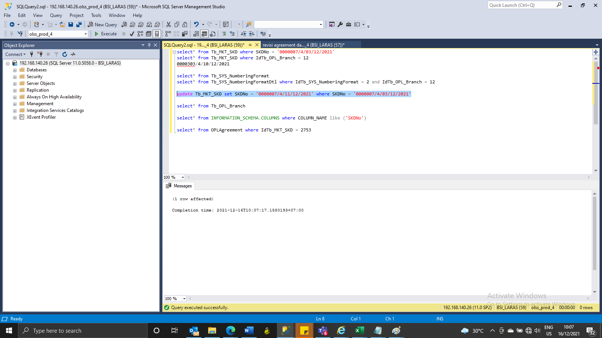
update Tb_MKT_SKD set IdTb_OPL_Branch = 12, SKDNo = '0000007/4/03/12/2021', RemarksSys = ISNULL(RemarksSys,'') + ' S0255483' where IdTb_MKT_SKD = 2753
update Tb_SYS_NumberingFormatdtl set LastNumber = 302, SysRemarks = ISNULL(SysRemarks,'') + ' S0255483' where IdTb_SYS_NumberingFormatDtl = 43
update Tb_SYS_NumberingFormatdtl set LastNumber = 7, SysRemarks = ISNULL(SysRemarks,'') + ' S0255483' where IdTb_SYS_NumberingFormatDtl = 44
update Tb_SYS_Approval set IdTb_OPL_Branch = 12, RemarksSys = ISNULL(RemarksSys,'') + ' S0255483' where TaskId = '79FAA14E-2F22-4071-9F3F-AAA8A56DEDC0'
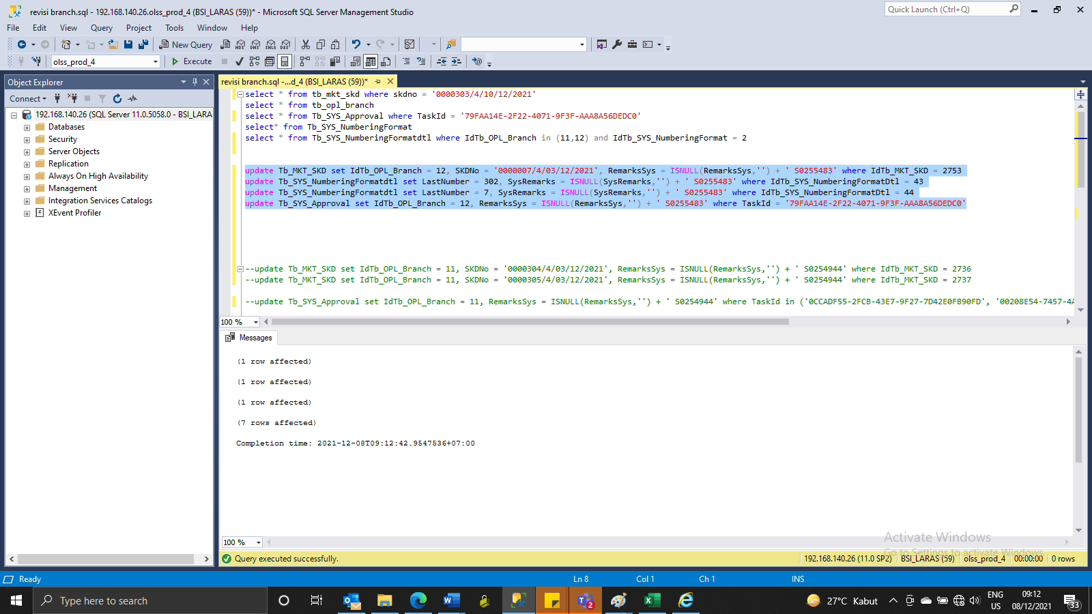

update Tb_MKT_SKD set SKDNo = '0000007/4/11/12/2021' where SKDNo = '0000007/4/03/12/2021'

Screenshot
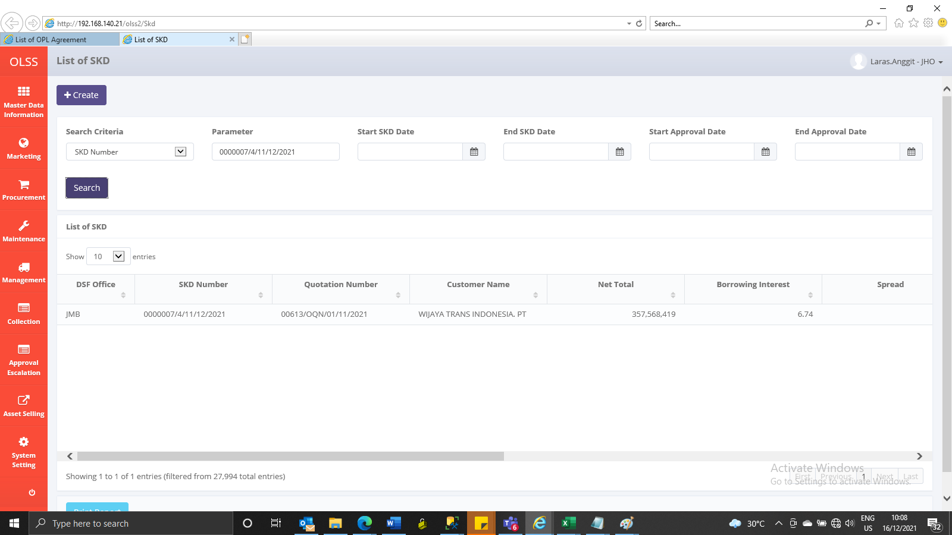
BEFORE
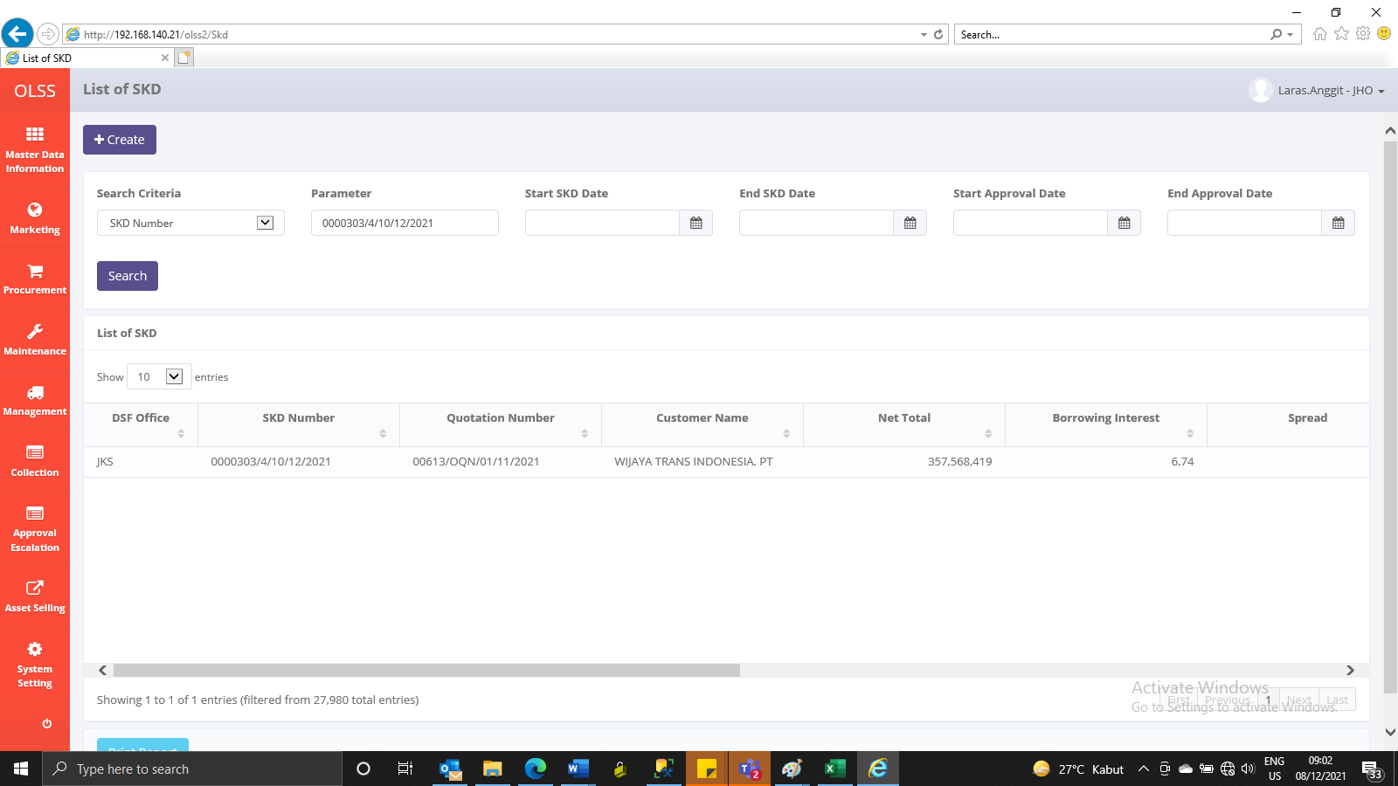

AFTER

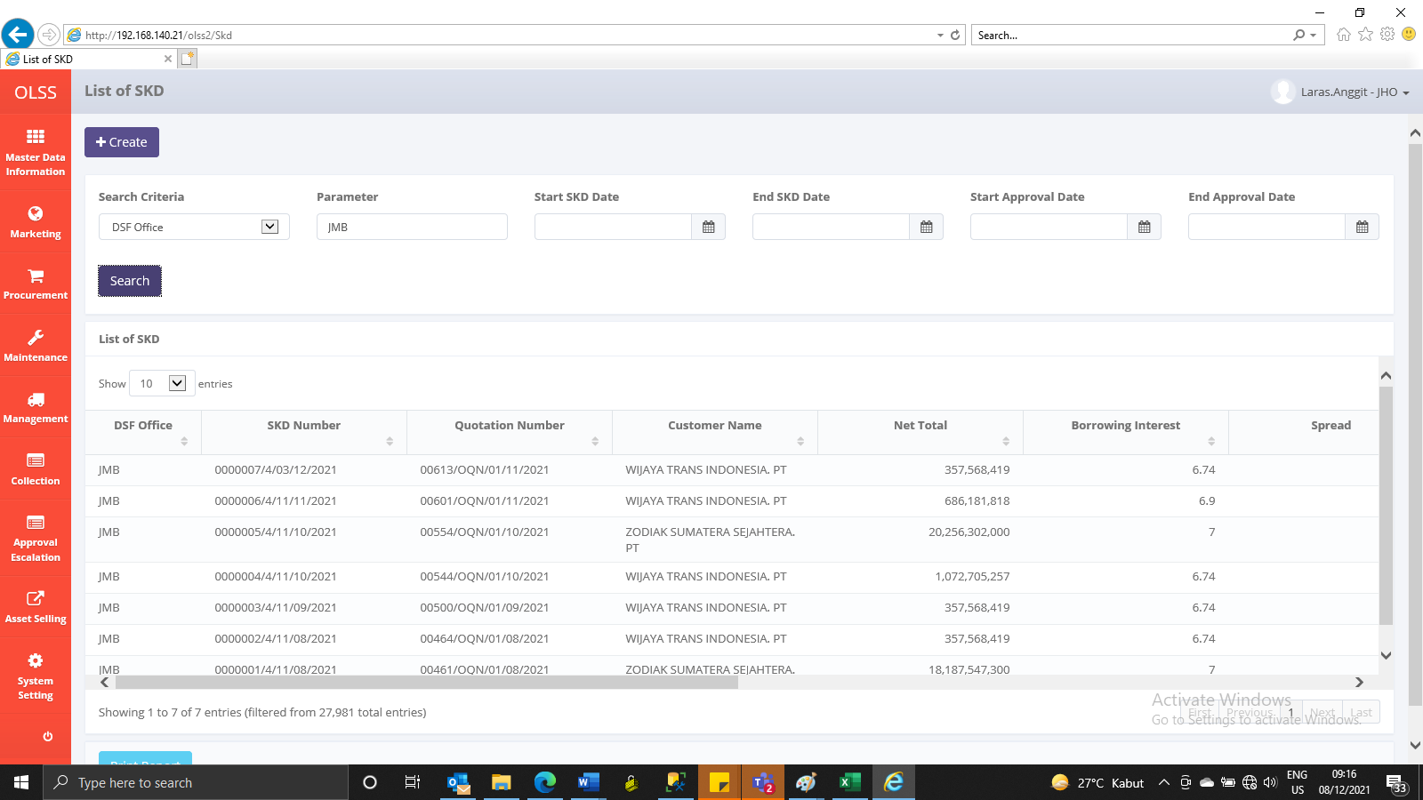

GANTI NO SKD
BEFORE

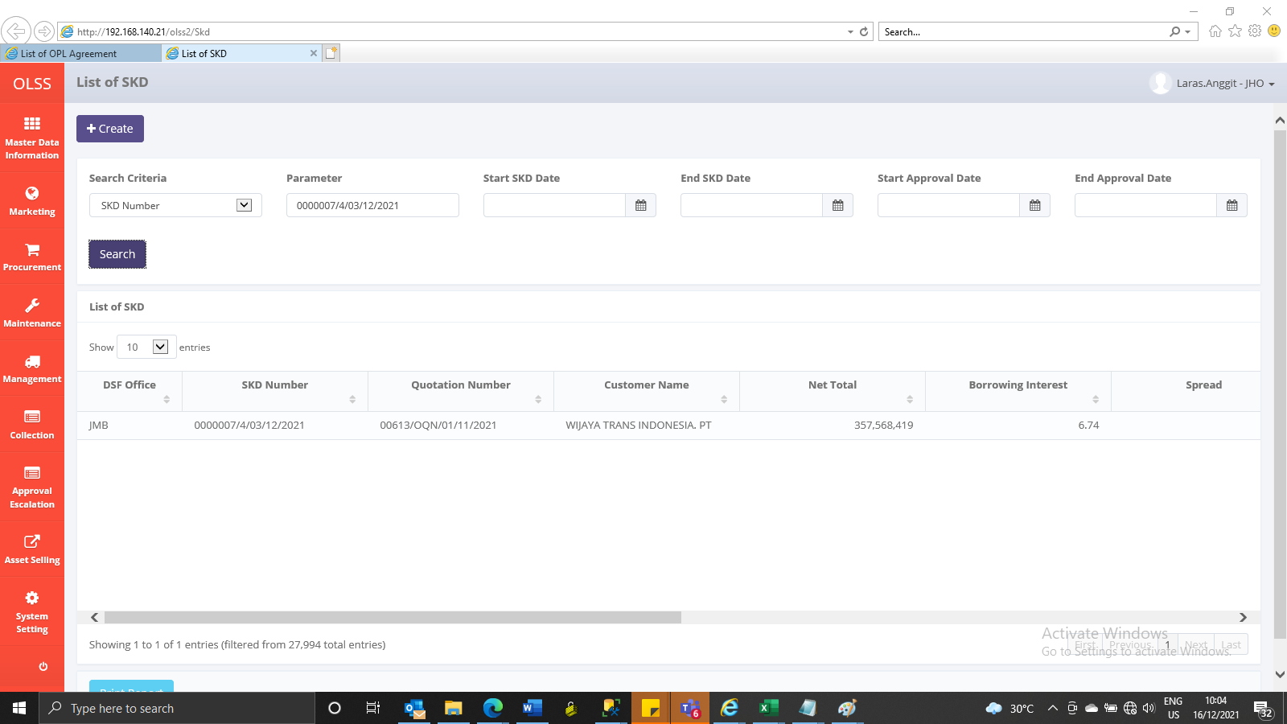

AFETR

